Sheet1
 |  | Document No. | Issue No. | Issue Date |  | Review and Replace Date |  | Authorised By
 |  | GFF258MC | 1 | 09.02.2021 |  | New Issue |  | Magda Shah
 |  | Document Title | CHICKEN SAAG MASALA 1200G
Document amendments reason for change |  | New document created |  |  | Previous Issue Date |  | New Issue | Uncontrolled copy unless signed original

FCSAG1-R1BIK | CHAPATIMEN |  | CHICKEN SAAG MASALA 1200G | FROZEN
STEP 1 |  |  |  |  | STEP 2
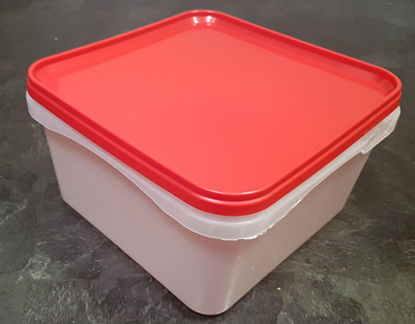 |  |  |  |  | 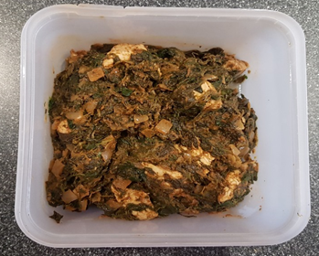

Tray: RED LID CONTAINER (PKSHA002-02) |  |  |  |  | Chicken Saag Masala (Chapatiman) (GFF180R) 1200g

STEP 3
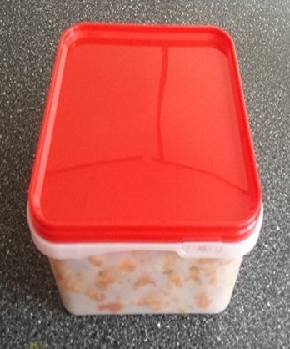

PACK DAY
+ 1 year

TOTAL WEIGHT: 1200g
ALLERGY ALERT: MILK

